Sheet1
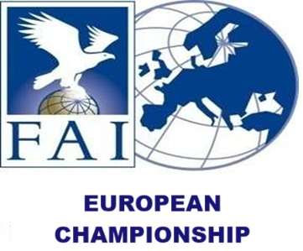
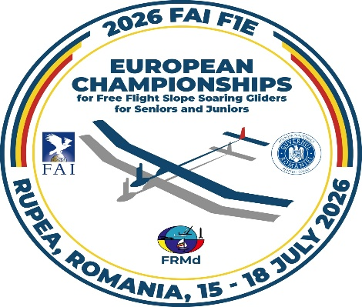

 |  |  |  |  |  |  |  |  |  |  |  |  |  |  |  |  |  | email: office@frmd.ro
FINAL ENTRY FORM
2026 FAI F1E EUROPEAN CHAMPIONSHIPS FOR FREE FLIGHT SLOPE SOARING GLIDERS FOR SENIORS AND JUNIORS July 15th - 18th, 2026, RUPEA- BRASOV, ROMANIA
 | COUNTRY
 | TM | EMAIL
 |  | PHONE
 |  |  |  |  |  |  | FUNCTIONS*
NR. | FIRST NAME | LAST NAME | JUNIOR SENIOR | MALE FEMALE | NAC LICENSE | FAI ID | TM | ATM | F1E | EUROPEAN CHAMPION 2024 | HLP | SPRT | TK | ARRIVAL | DEPARTURE | ENTRY FEE* | BANQUET | LUNCH X days | T-SHIRT SIZE | World Cup Memorial Popa Cringu | World Cup Rupea Cup | TOTAL FOR PAYMENT/ PERSON | GRAND TOTAL
1 |  |  |  |  |  |  |  |  |  |  |  |  |  |  |  |  |  |  |  |  |  | 0 | 0
2 |  |  |  |  |  |  |  |  |  |  |  |  |  |  |  |  |  |  |  |  |  | 0
3 |  |  |  |  |  |  |  |  |  |  |  |  |  |  |  |  |  |  |  |  |  | 0
4 |  |  |  |  |  |  |  |  |  |  |  |  |  |  |  |  |  |  |  |  |  | 0
5 |  |  |  |  |  |  |  |  |  |  |  |  |  |  |  |  |  |  |  |  |  | 0
6 |  |  |  |  |  |  |  |  |  |  |  |  |  |  |  |  |  |  |  |  |  | 0
7 |  |  |  |  |  |  |  |  |  |  |  |  |  |  |  |  |  |  |  |  |  | 0
8 |  |  |  |  |  |  |  |  |  |  |  |  |  |  |  |  |  |  |  |  |  | 0
9 |  |  |  |  |  |  |  |  |  |  |  |  |  |  |  |  |  |  |  |  |  | 0
10 |  |  |  |  |  |  |  |  |  |  |  |  |  |  |  |  |  |  |  |  |  | 0
11 |  |  |  |  |  |  |  |  |  |  |  |  |  |  |  |  |  |  |  |  |  | 0
12 |  |  |  |  |  |  |  |  |  |  |  |  |  |  |  |  |  |  |  |  |  | 0
13 |  |  |  |  |  |  |  |  |  |  |  |  |  |  |  |  |  |  |  |  |  | 0
14 |  |  |  |  |  |  |  |  |  |  |  |  |  |  |  |  |  |  |  |  |  | 0
15 |  |  |  |  |  |  |  |  |  |  |  |  |  |  |  |  |  |  |  |  |  | 0
16 |  |  |  |  |  |  |  |  |  |  |  |  |  |  |  |  |  |  |  |  |  | 0
17 |  |  |  |  |  |  |  |  |  |  |  |  |  |  |  |  |  |  |  |  |  | 0
18 |  |  |  |  |  |  |  |  |  |  |  |  |  |  |  |  |  |  |  |  |  | 0
19 |  |  |  |  |  |  |  |  |  |  |  |  |  |  |  |  |  |  |  |  |  | 0
20 |  |  |  |  |  |  |  |  |  |  |  |  |  |  |  |  |  |  |  |  |  | 0

*FUNCTION: TM - Team manager; ATM - Assistant of TM; F1E - Classes; 4th Competitor - Female ; Defending champion from ECH 2024 ; HLP - Helper, SPRT - Supporter, TK - Timekeeper. *ENTRY FEE: € 350 + € 11 per Senior Competitor/Team Manager, € 300 + € 11 per Junior Competitor, Assistant Team Manager, € 70 per Supporter, Helper, 50 € Banquet for Adult, 40 € Banquet for Juniors, € 15 Lunch/day/pers, Final Entry Form should be sent to the Organizers no later than the 30th of April, 2026

 | NAC OFFICIALS SIGNATURE |  |  |  |  |  |  |  |  |  |  |  |  |  |  | NAC STAMP

