Sheet1
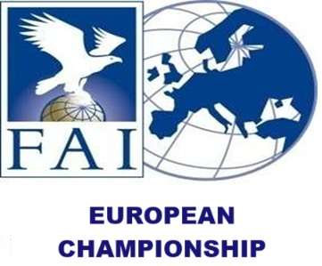
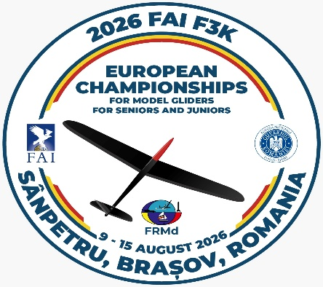

 |  |  |  |  |  |  |  |  |  |  |  |  |  |  |  |  |  | email: office@frmd.ro
FINAL ENTRY FORM
2026 FAI F3K EUROPEAN CHAMPIONSHIPS FOR MODEL GLIDERS FOR SENIORS AND JUNIORS
9th - 15th of August 2026, Sânpetru, Brașov – ROMANIA

 | COUNTRY
 | TM | EMAIL
 |  | PHONE
 |  |  |  |  |  |  | FUNCTIONS*
NR. | FIRST NAME | LAST NAME | JUNIOR SENIOR | MALE FEMALE | NAC LICENSE | FAI ID | TM | ATM | F3K | EUROPEAN CHAMPION 2024 | HLP | SPRT | TK | ARRIVAL | DEPARTURE | ENTRY FEE* | BANQUET | LUNCH X days | T-SHIRT SIZE | Brasov World Cup | TOTAL FOR PAYMENT | GRAND TOTAL
1 |  |  |  |  |  |  |  |  |  |  |  |  |  |  |  |  |  |  |  |  | 0 | 0
2 |  |  |  |  |  |  |  |  |  |  |  |  |  |  |  |  |  |  |  |  | 0
3 |  |  |  |  |  |  |  |  |  |  |  |  |  |  |  |  |  |  |  |  | 0
4 |  |  |  |  |  |  |  |  |  |  |  |  |  |  |  |  |  |  |  |  | 0
5 |  |  |  |  |  |  |  |  |  |  |  |  |  |  |  |  |  |  |  |  | 0
6 |  |  |  |  |  |  |  |  |  |  |  |  |  |  |  |  |  |  |  |  | 0
7 |  |  |  |  |  |  |  |  |  |  |  |  |  |  |  |  |  |  |  |  | 0
8 |  |  |  |  |  |  |  |  |  |  |  |  |  |  |  |  |  |  |  |  | 0
9 |  |  |  |  |  |  |  |  |  |  |  |  |  |  |  |  |  |  |  |  | 0
10 |  |  |  |  |  |  |  |  |  |  |  |  |  |  |  |  |  |  |  |  | 0
11 |  |  |  |  |  |  |  |  |  |  |  |  |  |  |  |  |  |  |  |  | 0
12 |  |  |  |  |  |  |  |  |  |  |  |  |  |  |  |  |  |  |  |  | 0
13 |  |  |  |  |  |  |  |  |  |  |  |  |  |  |  |  |  |  |  |  | 0
14 |  |  |  |  |  |  |  |  |  |  |  |  |  |  |  |  |  |  |  |  | 0
15 |  |  |  |  |  |  |  |  |  |  |  |  |  |  |  |  |  |  |  |  | 0
16 |  |  |  |  |  |  |  |  |  |  |  |  |  |  |  |  |  |  |  |  | 0
17 |  |  |  |  |  |  |  |  |  |  |  |  |  |  |  |  |  |  |  |  | 0
18 |  |  |  |  |  |  |  |  |  |  |  |  |  |  |  |  |  |  |  |  | 0
19 |  |  |  |  |  |  |  |  |  |  |  |  |  |  |  |  |  |  |  |  | 0
20 |  |  |  |  |  |  |  |  |  |  |  |  |  |  |  |  |  |  |  |  | 0

*FUNCTION: TM - Team manager; ATM - Assistant of TM; F3K - Classes; 4th Competitor - Female; Defending champion from ECHP 2024; HLP - Helper, SPRT - Supporter, TK - Timekeeper.
*ENTRY FEE: € 400 + € 11 per Senior Competitor/Team Manager, € 350 + € 11 per Junior Competitor/ Assistant Team Manager, € 80 per Supporter/Helper, 50 € Banquet for Adult, 40 € Banquet for Juniors, € 15 Lunch on site/day/pers,
€ 50 World Cup for Senior, € 40 World Cup for Junior, € 20 per camper/day + € 5 per person/day (electricity, water, garbage), € 15 per tent/day + € 5 per person/day (electricity, water, garbage).
*Final Entry Form should be sent to the Organizer no later than JULY 1st, 2026.
 | NAC OFFICIALS SIGNATURE |  |  |  |  |  |  |  |  |  |  |  |  |  |  | NAC STAMP

